Issue Tracking
 | PowerPic Bugtracking | 2014-02-25

No. | Category | Build Version | Item | Description | Current Owner | Status | Comments | Related to
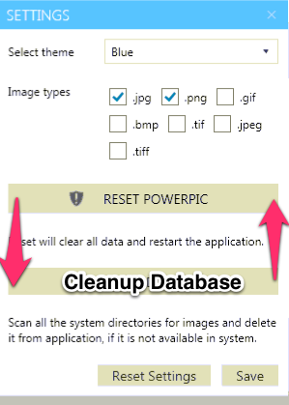
42 | Other | 20.01.2014 24.02.2014 | Test environment available! | I have set up a physical box now running Win7 Home Premium, 64-Bit in German. You can reach it on teamviewer at: 763137521 The password is XAMLfactory2014 it's a little slow, but it's working ;-) | Jawahar | Open | Please verify mr: Test setup running again, same login data

Scope 24.01.14
Copy of our email traffic

Hi Jawahar,
thanks again for our conversation this afternoon. I'm glad you raised your concerns - please feel free to contact me anytime in case anything comes up.
I do agree to pay an additional $200, but please let us agree on features first.

Must have features:
1) Search for multiple tags (horse, brown)
2) Description, search in description and/or tags and/or other data (see drawing - just an example, feel free to modify)
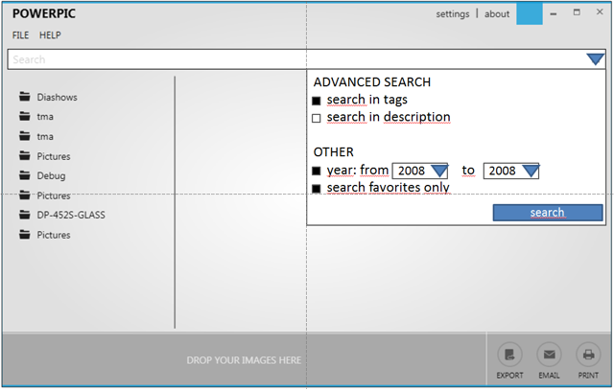

3) Improved export dialog: open a dialogue, ask for target resolution for images, optionally enter a name for the collection (see below, nice to have "C")
4) improved folder navigation, i need to figure something out.
5) Remove single tags, remove all tags per image
6) Favorites
7a) Store how often an image has been exported, so one can sort (see next point)
7b) Sort images in browse view, in search results (file name, creation date, number of exports, rating)
8) touch / gesture navigation: scroll, zoom in, zoom out, etc. - it must be cool!! ;-)
9) Store larger versions of the image in the database as "big preview", 1024x768 resolution or similar. This should speed up previewing very large (24MP) images on slow machines!

Nice to have features:
A) rate images in stars (1 to 5). Optionally, this can also be done on the keyboard by pressing ALT-1 to 5. Maybe one can even select a number of images in browse view, press ALT-1 to 5, all selected images get the rating after a prompt ("Do you want to rate the selected images with 3 stars?")
B) Make filmstrip area resizable (draw upwards ; reset view to standard) - that way, one could create and preview a larger collection of files to be exported
C) Album History / export log table: Which combination of images have been exported when - open, modify collections from the past (e. g. "Spring Catalogue 2014"). Of course, old albums / log entries can be deleted for good. The log can be opened via the file menu ("Export History"). It can be a simple table (Date, name of collection, number of images, potentially a text search input. The view must be scrollable)
D) Slideshow: View images in filmstrip in full-screen (everything else goes black), a click or arrow keys move to the next image, escape key returns to standard view

Very optional for now:
E) tag cloud: most frequently used tags (see scope document)
F) Import, Backup database - not necessary right now, but keep this in mind - everybody fears crashing disks :-)
G) Localization: Select app language

--> Please let me know if this is doable and/or if there is anything else you need. You have been doing a very good job and I want you to remain happy.
Also, please let me know anytime if you need anything just as you did today. We might have more coming up in the future ;-)

I'm looking forward to receiving your suggested milestone plan. Thank you so much!

Best regards and have a great day,

Marwin

About Screen
Thank you for using our product. We hope you find this software as useful as we do. Are there any features missing? Is there anything else you would like to see? Please let us know at: feedback@symposity.com | 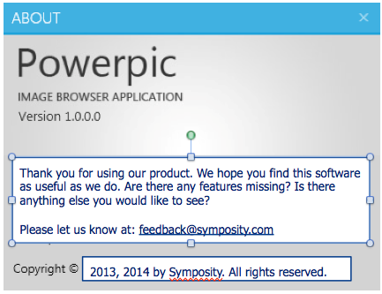

84
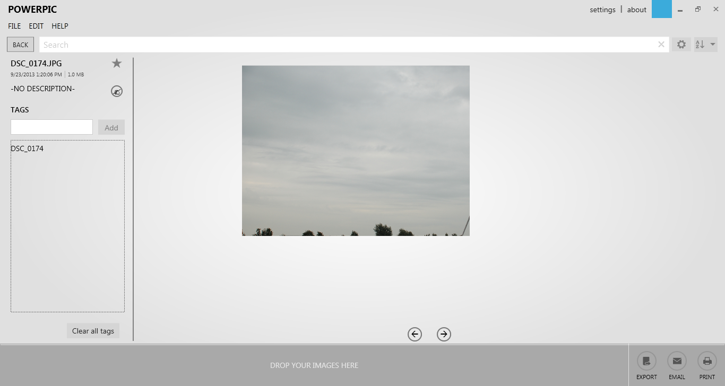
Clipping issue

1) Application not maximized, an image is opened
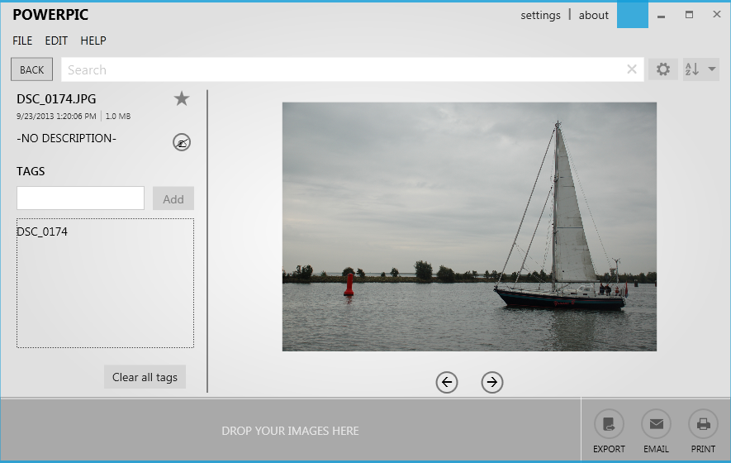

2) Application now maximized, clipping error in display

